Sheet1
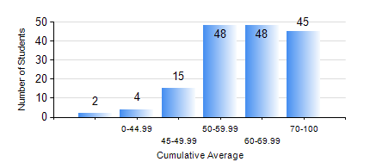
 |  |  | KWAME NKRUMAH UNIVERSITY OF SCIENCE AND TECHNOLOGY, KUMASI Department of Mechanical Engineering

 |  |  | BSC. MECHANICAL ENG.

 |  |  | COMPREHENSIVE RECORD OF EXAMINATION RESULTS

 |  |  | RESULTS OF YEAR 1 SECOND SEMESTER, 2022/2023 ACADEMIC YEAR

 | Sn | Course Code |  | Course Name | Credit Hours | Min. Mark | Max. Mark | Avg. Mark | Std. Dev. | No. Passed | No. Trailed | No. (Df) | No. (I) | No. (I*) | No. Tagged(I,I*,Df) | Total
 | 0. |  |  |  |  |  |  | 0 | 0 | 0 | 0 | 0 | 0 | 0 | 0 | 3
 | 1. | EE 152 |  | BASIC ELECTRONICS | 2 | 14 | 86 | 53 | 13.67 | 142 | 16 | 0 | 1 | 0 | 1 | 159
 | 2. | ENGL 158 |  | COMMUNICATION SKILLS II | 2 | 21 | 90 | 71 | 12.93 | 156 | 3 | 0 | 0 | 0 | 0 | 159
 | 3. | MATH 152 |  | CALCULUS WITH ANALYSIS | 4 | 9 | 77 | 55 | 12.05 | 147 | 12 | 0 | 0 | 0 | 0 | 159
 | 4. | ME 160 |  | ENGINEERING DRAWING | 3 | 20 | 87 | 61 | 13.57 | 153 | 6 | 0 | 0 | 0 | 0 | 159
 | 5. | ME 164 |  | ENGINEERING MECHANICS I: STATICS | 2 | 2 | 94 | 57 | 19.24 | 144 | 14 | 0 | 1 | 0 | 1 | 159
 | 6. | ME 168 |  | COMPUTER PROGRAMMING FOR ENGINEERS | 2 | 12 | 90 | 65 | 16.37 | 153 | 5 | 0 | 1 | 0 | 1 | 159
 | 7. | ME 174 |  | PRODUCT DESIGN AND MANUFACTURING | 2 | 14 | 90 | 67 | 9.85 | 156 | 2 | 0 | 1 | 0 | 1 | 159

